Read Me
Rockbuster Customer Distribution Analysis
File Description
This file contains the 2020 Rockbuster Customer Distribution Analysis data. Inside, you'll find seven tables that help extract insights from the analysis. Additionally, it contains the queries used to gather information from the Rockbuster dataset.
Data Structure
The analysis primarily focuses on Rockbuster's customer dataset, which consists of 599 rows and 10 columns, devoid of any null entries or duplicates. The most frequent store_id is 1, the prevalent activebool value is true, and the dominant active status is 1.
Limitaions
The customer dispersion visualization in the presentation specifically covers the customer count in cities within India and China. This choice is due to an abundance of null data regarding cities in the US, making it impossible to visualize these details in Tableau.
Project Brief Link
Visualizations

Project Brief Link
Visualizations

Queries
-- Count customer by store id
SELECT COUNT(customer_id) AS customer_count
FROM customer
GROUP BY store_id
-- Count the total customer, aggregate the total revenue and calculat the average spending by each customer
SELECT SUM(payment.amount) AS total_revenue
,COUNT(DISTINCT customer.customer_id) AS customer_count
,(SUM(payment.amount)/COUNT(DISTINCT customer.customer_id)) AS avg_amount_paid_by_customer
FROM payment INNER JOIN customer ON payment.customer_id = customer.customer_id
-- Count customer by actvie status
SELECT COUNT(customer_id) AS customer_count
FROM customer
GROUP BY active

-- top 10 countries with the most customer count and the revenue they generated
SELECT country.country
,COUNT(DISTINCT customer.customer_id) AS customer_count
,SUM(payment.amount) AS amount_paid
FROM payment
INNER JOIN customer ON payment.customer_id = customer.customer_id
INNER JOIN address ON customer.address_id = address.address_id
INNER JOIN city ON address.city_id = city.city_id
INNER JOIN country ON city.country_id = country.country_id
GROUP BY country
ORDER BY customer_count DESC
LIMIT 10

-- To see the distribution of customer in the cities of the top 3 customer_count countries
SELECT country.country
,city.city
, COUNT(DISTINCT customer_id) AS customer_count
FROM customer
INNER JOIN address ON customer.address_id = address.address_id
INNER JOIN city ON address.city_id = city.city_id
INNER JOIN country ON city.country_id = country.country_id
WHERE country IN ('India','China', 'United States')
GROUP BY country, city
ORDER BY customer_count DESC

-- The average spending of the top 10 customer_count countries
SELECT country.country
,COUNT(DISTINCT customer.customer_id) AS customer_count
,SUM(payment.amount) AS total_amount_paid
,(SUM(payment.amount)/COUNT(DISTINCT customer.customer_id)) AS avg_amount_paid
FROM payment
INNER JOIN customer ON payment.customer_id = customer.customer_id
INNER JOIN address ON customer.address_id = address.address_id
INNER JOIN city ON address.city_id = city.city_id
INNER JOIN country ON city.country_id = country.country_id
WHERE country IN ('India', 'China', 'United States', 'Japan', 'Mexico', 'Brazil' , 'Russian Federation', 'Philippines', 'Turkey', 'Indonesia')
GROUP BY country
ORDER BY avg_amount_paid DESC

-- The top 10 countries of highest average spending
SELECT country.country
,COUNT(DISTINCT customer.customer_id) AS customer_count
,SUM(payment.amount) AS total_amount_paid
,(SUM(payment.amount)/COUNT(DISTINCT customer.customer_id)) AS avg_amount_paid_by_customer
FROM payment
INNER JOIN customer ON payment.customer_id = customer.customer_id
INNER JOIN address ON customer.address_id = address.address_id
INNER JOIN city ON address.city_id = city.city_id
INNER JOIN country ON city.country_id = country.country_id
GROUP BY country
ORDER BY avg_amount_paid_by_customer DESC
LIMIT 10

Count by Store
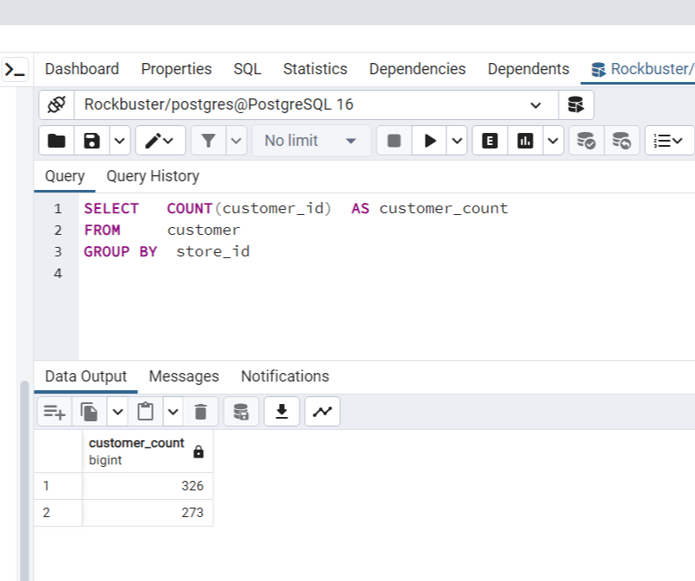
store_id | customer count
store 1 | 326
store 2 | 273

Active Status
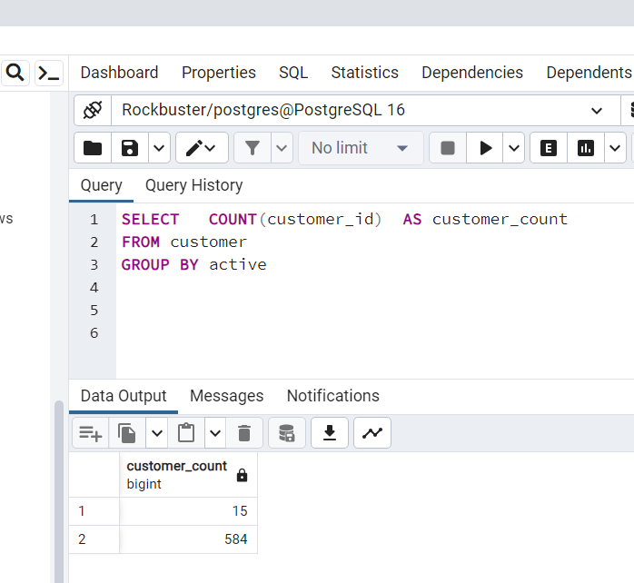
customer status | customer count
active | 584
inactive | 15

Total Count & Avg
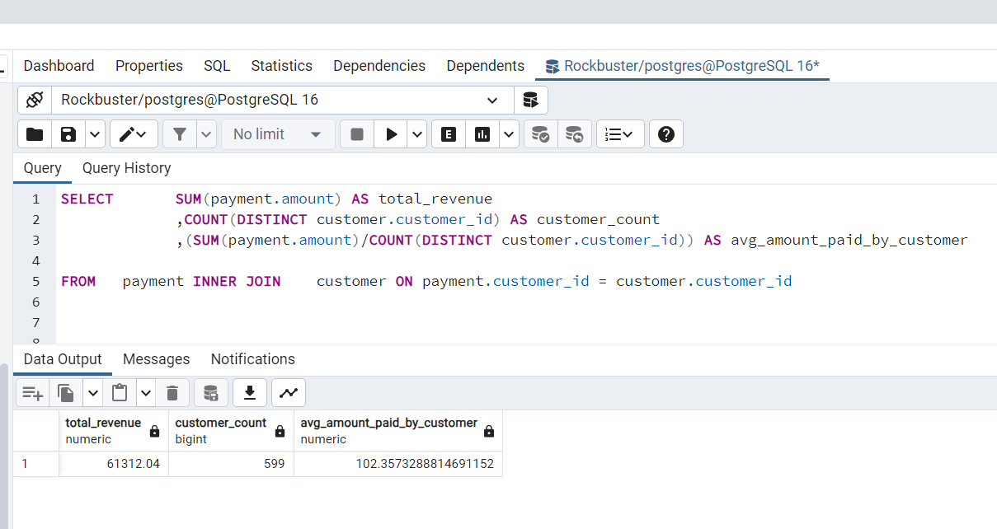
total_revenue | customer_count | avg_amount_paid_by_customer
61312.04 | 599 | 102.35732888

Top 10 CustomerCount&Revenue
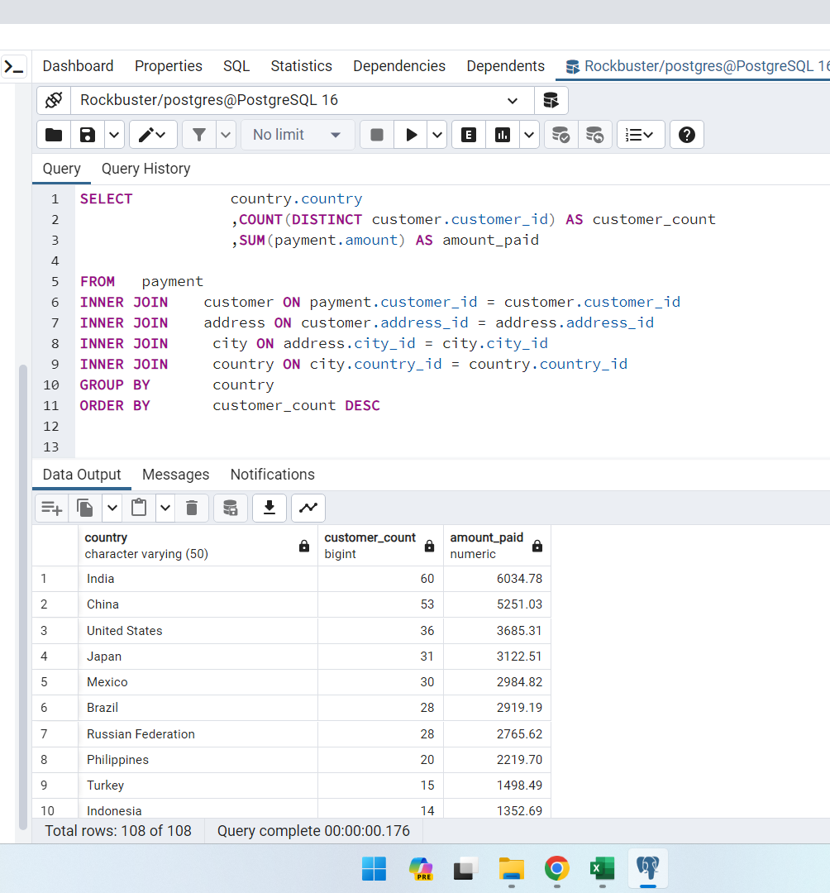
country | customer_count | amount_paid
India | 60 | 6034.78
China | 53 | 5251.03
United States | 36 | 3685.31
Japan | 31 | 3122.51
Mexico | 30 | 2984.82
Brazil | 28 | 2919.19
Russian Federation | 28 | 2765.62
Philippines | 20 | 2219.7
Turkey | 15 | 1498.49
Indonesia | 14 | 1352.69

CustomerCount India_China_US
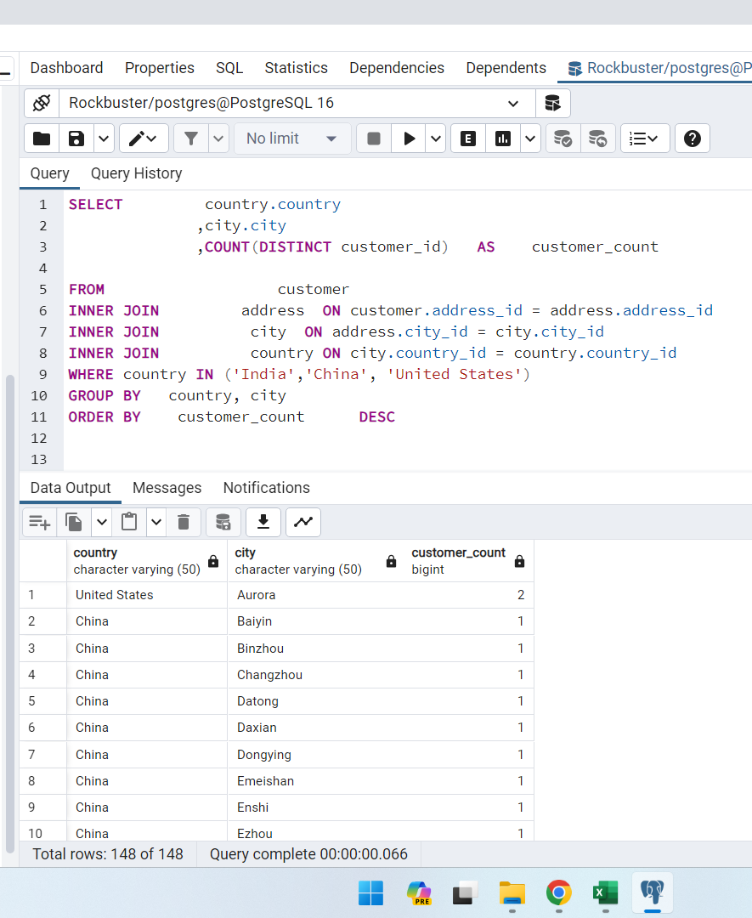
country | city | customer_count
United States | Aurora | 2
China | Baiyin | 1
China | Binzhou | 1
China | Changzhou | 1
China | Datong | 1
China | Daxian | 1
China | Dongying | 1
China | Emeishan | 1
China | Enshi | 1
China | Ezhou | 1
China | Fuyu | 1
China | Fuzhou | 1
China | Haining | 1
China | Hami | 1
China | Hohhot | 1
China | Huaian | 1
China | Jinchang | 1
China | Jining | 1
China | Jinzhou | 1
China | Junan | 1
China | Korla | 1
China | Laiwu | 1
China | Laohekou | 1
China | Lengshuijiang | 1
China | Leshan | 1
China | Liaocheng | 1
China | Meixian | 1
China | Nanyang | 1
China | Pingxiang | 1
China | Qinhuangdao | 1
China | Rizhao | 1
China | Sanya | 1
China | Shanwei | 1
China | Shaoguan | 1
China | Shenzhen | 1
China | Suihua | 1
China | Tianjin | 1
China | Tiefa | 1
China | Tieli | 1
China | Tongliao | 1
China | Weifang | 1
China | Xiangfan | 1
China | Xiangtan | 1
China | Xintai | 1
China | Xinxiang | 1
China | Yantai | 1
China | Yinchuan | 1
China | Yingkou | 1
China | Yuncheng | 1
China | Yuzhou | 1
China | Zalantun | 1
China | Zaoyang | 1
China | Zhoushan | 1
India | Adoni | 1
India | Ahmadnagar | 1
India | Allappuzha (Alleppey) | 1
India | Ambattur | 1
India | Amroha | 1
India | Balurghat | 1
India | Berhampore (Baharampur) | 1
India | Bhavnagar | 1
India | Bhilwara | 1
India | Bhimavaram | 1
India | Bhopal | 1
India | Bhusawal | 1
India | Bijapur | 1
India | Chandrapur | 1
India | Chapra | 1
India | Dhule (Dhulia) | 1
India | Etawah | 1
India | Firozabad | 1
India | Gandhinagar | 1
India | Gulbarga | 1
India | Haldia | 1
India | Halisahar | 1
India | Hoshiarpur | 1
India | Hubli-Dharwad | 1
India | Jaipur | 1
India | Jhansi | 1
India | Jodhpur | 1
India | Kamarhati | 1
India | Kanchrapara | 1
India | Karnal | 1
India | Katihar | 1
India | Kumbakonam | 1
India | Miraj | 1
India | Munger (Monghyr) | 1
India | Mysore | 1
India | Nagaon | 1
India | Palghat (Palakkad) | 1
India | Parbhani | 1
India | Pathankot | 1
India | Patiala | 1
India | Pudukkottai | 1
India | Pune | 1
India | Purnea (Purnia) | 1
India | Rae Bareli | 1
India | Rajkot | 1
India | Rampur | 1
India | Ranchi | 1
India | Sambhal | 1
India | Satna | 1
India | Shimoga | 1
India | Shivapuri | 1
India | Siliguri (Shiliguri) | 1
India | Tambaram | 1
India | Udaipur | 1
India | Uluberia | 1
India | Uttarpara-Kotrung | 1
India | Valparai | 1
India | Varanasi (Benares) | 1
India | Vijayawada | 1
India | Yamuna Nagar | 1
United States | Akron | 1
United States | Arlington | 1
United States | Augusta-Richmond County | 1
United States | Bellevue | 1
United States | Brockton | 1
United States | Cape Coral | 1
United States | Citrus Heights | 1
United States | Clarksville | 1
United States | Compton | 1
United States | Dallas | 1
United States | Dayton | 1
United States | El Monte | 1
United States | Fontana | 1
United States | Garden Grove | 1
United States | Garland | 1
United States | Grand Prairie | 1
United States | Greensboro | 1
United States | Joliet | 1
United States | Kansas City | 1
United States | Lancaster | 1
United States | Laredo | 1
United States | Lincoln | 1
United States | Manchester | 1
United States | Memphis | 1
United States | Peoria | 1
United States | Roanoke | 1
United States | Rockford | 1
United States | Saint Louis | 1
United States | Salinas | 1
United States | San Bernardino | 1
United States | Sterling Heights | 1
United States | Sunnyvale | 1
United States | Tallahassee | 1
China | Baicheng | 1
United States | Warren | 1

Avg Spending of top10
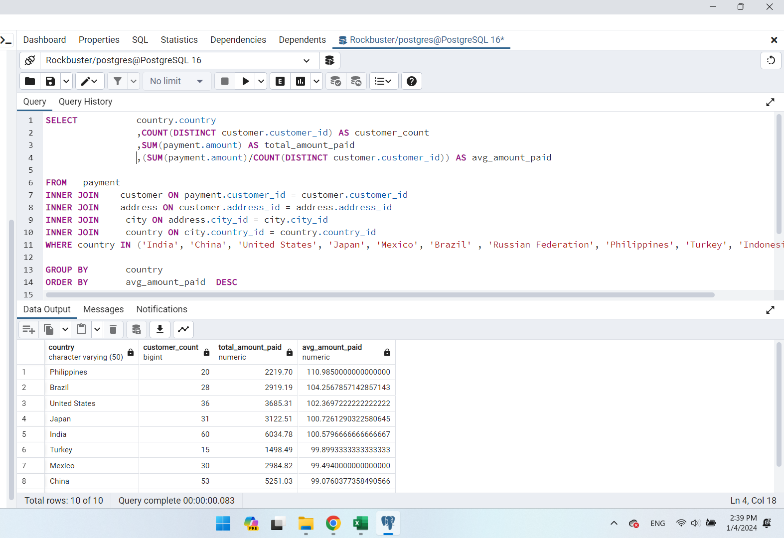
country | customer_count | total_amount_paid | avg_amount_paid
Philippines | 20 | 2219.7 | 110.985
Brazil | 28 | 2919.19 | 104.25678571
United States | 36 | 3685.31 | 102.36972222
Japan | 31 | 3122.51 | 100.72612903
India | 60 | 6034.78 | 100.57966667
Turkey | 15 | 1498.49 | 99.899333333
Mexico | 30 | 2984.82 | 99.494
China | 53 | 5251.03 | 99.076037736
Russian Federation | 28 | 2765.62 | 98.772142857
Indonesia | 14 | 1352.69 | 96.620714286

High Avg Spending By Countries
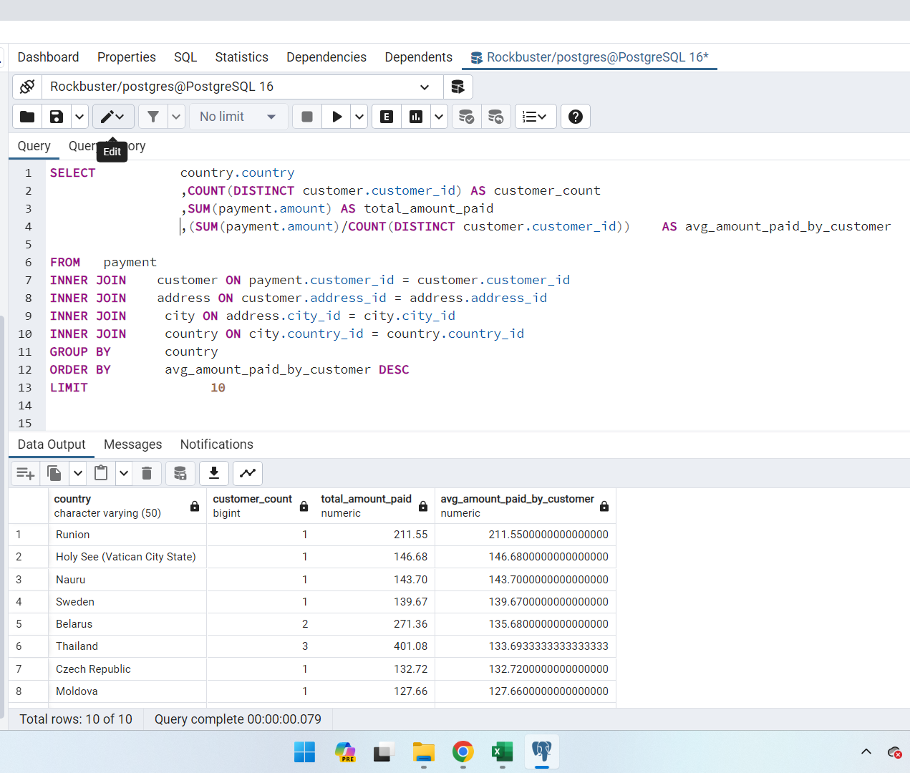
country | customer_count | total_amount_paid | avg_amount_paid_by_customer
Runion | 1 | 211.55 | 211.55
Holy See (Vatican City State) | 1 | 146.68 | 146.68
Nauru | 1 | 143.7 | 143.7
Sweden | 1 | 139.67 | 139.67
Belarus | 2 | 271.36 | 135.68
Thailand | 3 | 401.08 | 133.69333333
Czech Republic | 1 | 132.72 | 132.72
Moldova | 1 | 127.66 | 127.66
Turkmenistan | 1 | 126.74 | 126.74
Latvia | 2 | 249.43 | 124.715

